Job Role Progression NDC
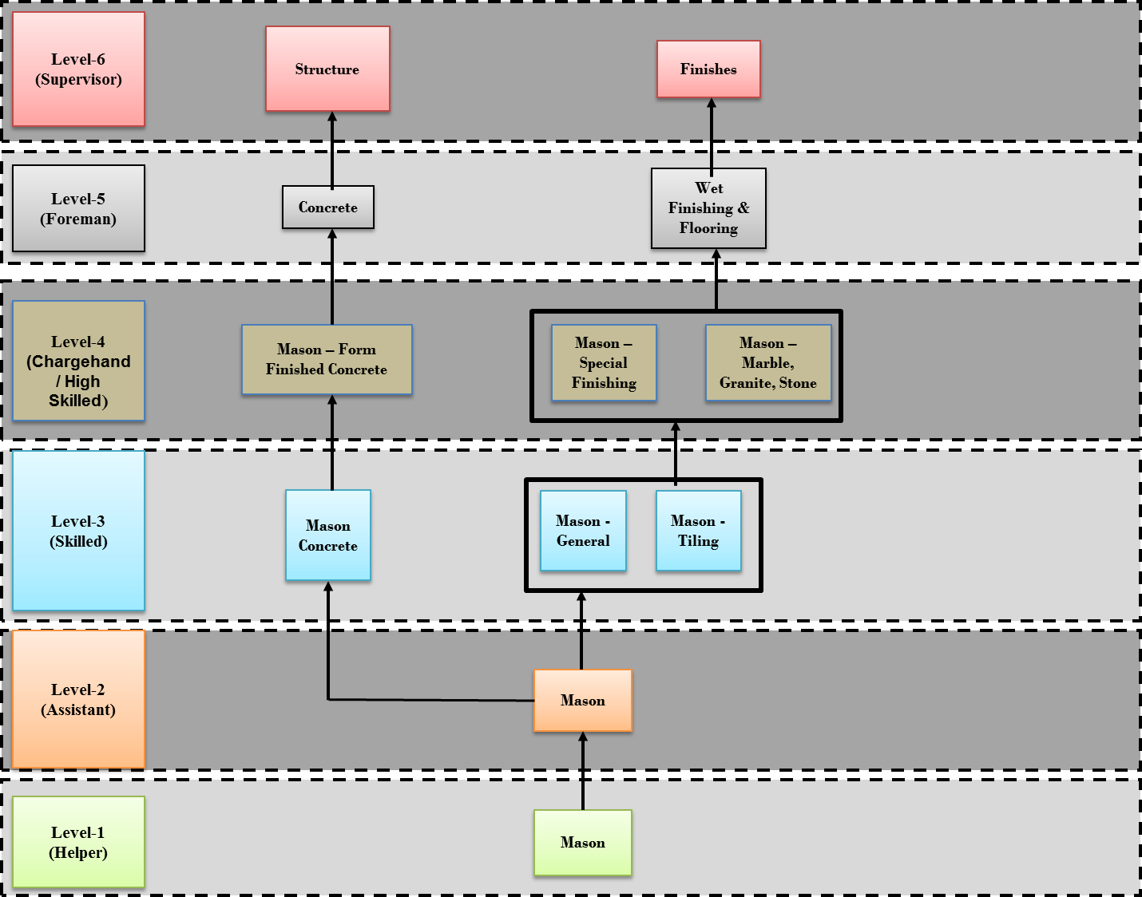
Job Roles Progression Path
Sample Template |  |  |  |  |  |  |  | Sample
The horizontal/vertical progression of job roles are plotted for high demand jobs or wherever there is a need. The progression path can be within the sector/sub-sector or across the sectors/sub-sectors.
NSQF Level
Level 10

Level 9

Level 8

Level 7

Level 6 | Hospital Housekeeping Incharge (Non Direct Care) |  | Lead Trainer (Non Direct Care) | Lead Assessor (Non Direct Care)

Level 5 | Geriatric Aide (Non Direct Care) |  | Trainer (Non Direct Care) | Assessor (Non Direct Care) | Care-giver for Special Children (Non Direct Care) | Palliative Caregiver (Non Direct Care) | Oncology caregiver (Non Direct Care)

Level 4 |  | General Duty Assistant (Non Direct Care) | Home Health Aide (Non Direct Care) |  | Patient Care Assistant- Critical Care/Parturition/Maternal & New Born Care/Home care/ Dialysis (Non Direct Care)

Level 3

Level 2

Level 1

