Job Role Progression- Sample
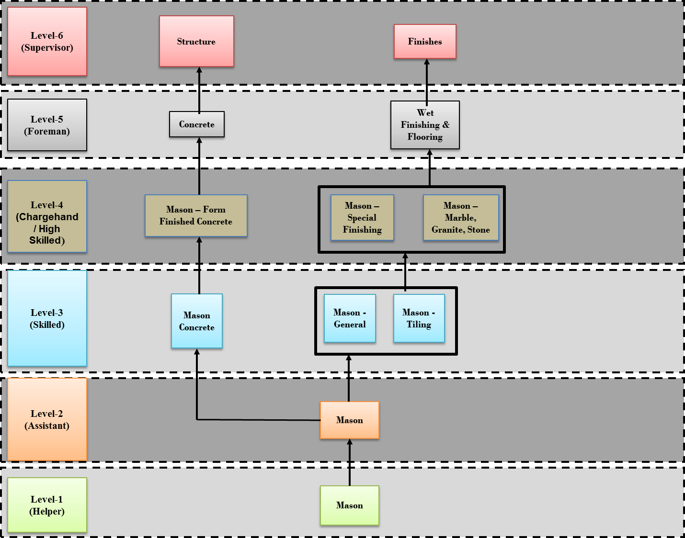
Job Roles Progression Path
Sample Template |  |  |  |  | Sample
The horizontal/vertical progression of job roles are plotted for high demand jobs or wherever there is a need. The progression path can be within the sector/sub-sector or across the sectors/sub-sectors.
NSQF Level

Level 5

Level 4 |  | Job Role (Sector)

Level 3 | Job Role (Sector) |  | Job Role (Sector)

Level 2 | Job Role (Sector) | Job Role (Sector) | Job Role (Sector)

Level 1 |  | Store Ops Assistant (Retail operations)

Level 7 |  | Store Manager (Retail Operations) |  | Multichannel Retailer (Retail Business)

Level 6 |  | Departmental Manager (Retail Operations) |  | Multi-outlet Retailer (Retail Business)

Level 5 |  | Team Leader (Retail Operations) |  | Retailer (Retail Business)

Level 4 |  | Sales Associate (Retail Operations) |  | Self -employed Retailer (Retail Business)

Level 3 |  | Trainee Associate (Retail Operations)

Level 2 |  | Cashier (Retail Operations)

Level 1 |  | Store Ops Assistant (Retail Operations)

