Job Role Progression
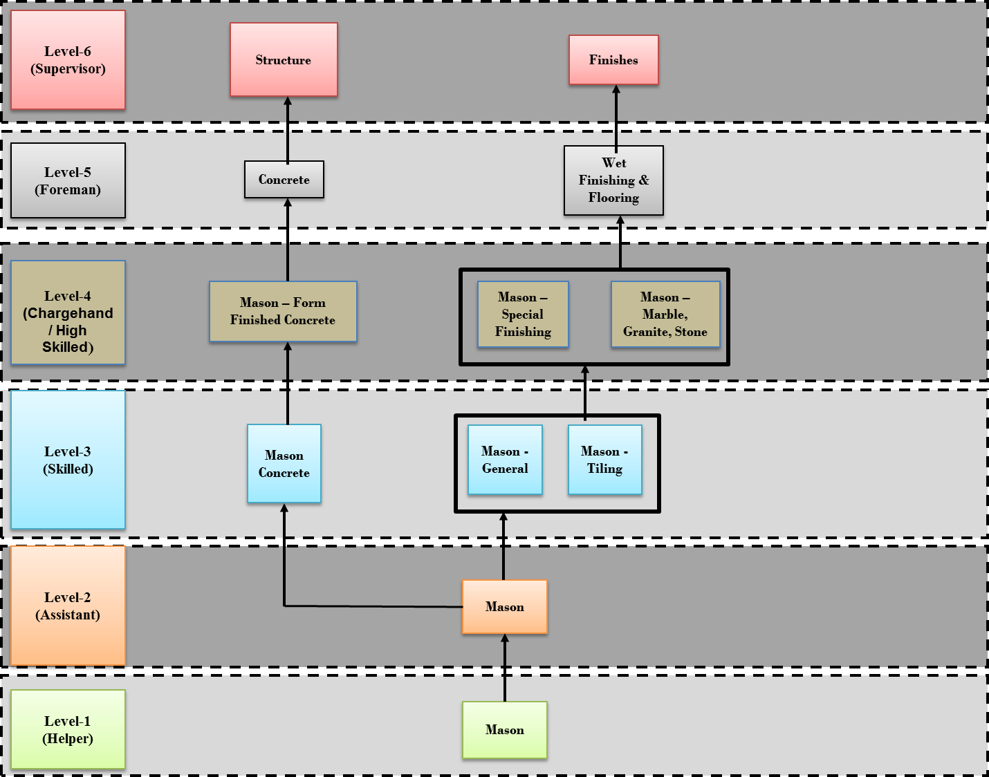
Job Roles Progression Path |  |  |  | (Please See Separate File called - Identification of Career Path for 9 Revised QPs)
Sample Template |  |  |  |  | Sample
The horizontal/vertical progression of job roles are plotted for high demand jobs or wherever there is a need. The progression path can be within the sector/sub-sector or across the sectors/sub-sectors.
NSQF Level

Level 5

Level 4 |  | Job Role (Sector)

Level 3 | Job Role (Sector) |  | Job Role (Sector)

Level 2 | Job Role (Sector) | Job Role (Sector) | Job Role (Sector)

Level 1 |  | Job Role (Sector)

